Swale 1
 |  |  | CKL Limited
 |  |  | PO Box 99 463, Auckland 1149
 |  |  | 25 Broadway, Newmarket
 |  |  | Ph: 09 524 7029
 |  |  | Fax: 09 524 7032
Job number | A21235 | File Name | #VALUE!
Job name | Waipu Gateway | Sheet Name | #VALUE!
Date | 2023-09-08 | Path
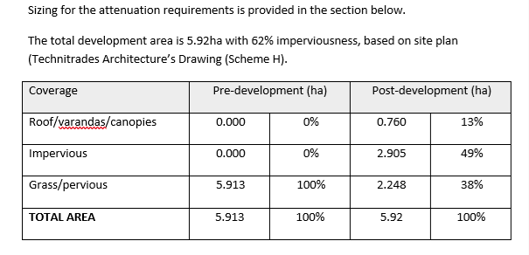
Prepared by | MB | Checked

Design of swale 1

Assumptions:
Runoff Coefficient (c): |  | c=0.95 for roof
 |  | c=0.9 for driveway
 |  | c=0.3 for permeable surafces
Roughness factor (k): |  | k = 1.5 (conservative value for existing concrete & plastic pipes)
 |  | See NZS4404 Table 4.2 for more details

Design rainfall: | 100yr 10min +CC | 187.0 | mm/hr
Catchment Details


Total Catchment area (ha) | 1.38
Total Catchment area (m2) | 13800

 | Impervious | Pervious
Surface area (m2) | 8556 | 5244
WQ intensity (mm/hr) | 10
100% AEP Rainfall (mm/hr) | 187.0
C | 0.95 | 0.5
WQ Qp (L/s) (Roads Runoff) | 22.6
100% AEP qP(L/s) | 422.55 | 136.31
Total Flow | 558.86
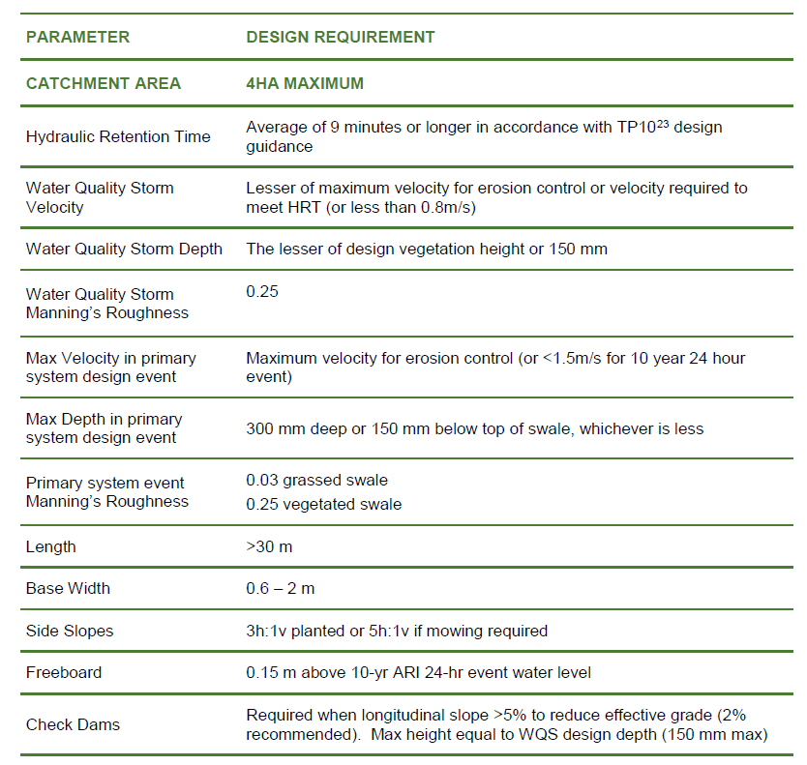
100yrCC Swale
 | 100yrCC | WQV
Catchment area (m2) | 8,556 | 8,556
Q (m³/s) | 0.559 | 0.023
Depth, d (m) | 0.2 | 0.1
Longitudinal Slope | 1.60% | 1.60%
Side Slopes, z | 3 | 3
Base Width, b (m) | 2.00 | 2.00
Top width | 3.20 | 2.60
Area (m²) | 0.52 | 0.23
Wetted Perimeter (m) | 3.26 | 2.63
Hydraulic Radius (m) | 0.16 | 0.09
n | 0.03 | 0.25
Q swale (m³/s) | 0.640 | 0.023
Velocity (m/s) | 1.23 | 0.10
Residence time (mins) | 0.00 | 9.00
Length (m) |  | 53
Total Length (m) |  | 107
Freeboard for 10yr (m) | 0.15

Swale size
Base width (m) | 2.00
Total Height (m) | 0.350
Top width (m) | 4.10
Longitudinal slope (%) | 1.60%
Side slope (H:V) | 3

Swale size | Swale 1 | Swale 2 | Swale 3 | Swale 4
Base width (m) | 2.00 | 1.50 | 2.00 | 2.00
Total Height (m) | 0.350 | 0.300 | 0.340 | 0.350
Top width (m) | 4.10 | 3.30 | 4.04 | 4.10
Longitudinal slope (%) | 1.60% | 1.50% | 1.60% | 1.00%
Side slope (H:V) | 3 | 3 | 3 | 3

